NASEM interpretation
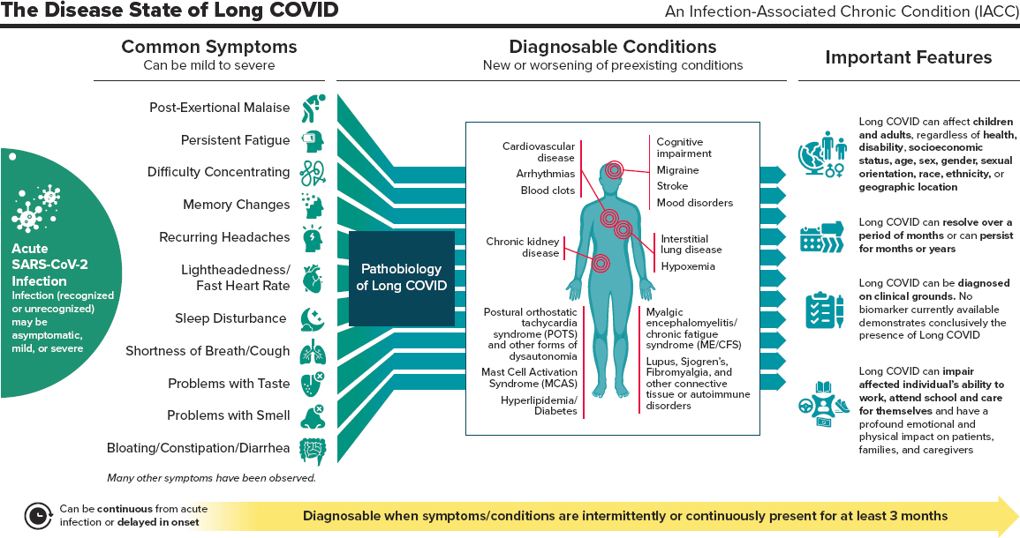
NASEM principle | Interpretation | Symptoms | Conditions
Can affect children and adults | This paper includes identification within children, but our harmonized definition is limited to adults
Can include numerous symptoms and conditions, some of which are displayed in Figure 1 | We're considering diagnoses and symptoms listed in the NASEM summary, but are treating these differently due to the way they are experienced and documented
Can be continuous from acute infection or delayed in onset (no max latency) | Without ability to use clinical judgement, need to have a max latency period; looking for evidence of PASC development by 180 days after COVID index
Symptoms and conditions can be new or worsening | Hard to assess 'worsening' in the EHR, so are focusing on incidence | Symptoms don't need to be new? | Considering diagnoses as new if taking place 31+ days after acute infection (with a 1-30 day blackout period)
Diagnosable when symptoms/conditions are intermittently or continuously present for at least 3 months | Looking for one or two documented instances of symptoms or conditions over differing timeframes to establish duration | Two instances of a symptom category is needed to categorize a patient as having Long COVID: - Symptom first documented within 30 days after index event --> needs to be followed by a second instance at least 90 days after the first, but documented prior to 180 days after index - Symptom first documented between 31-180 days after the index event --> needs to be followed by a second instance at least two weeks after the first, but documented prior to 365 days after index | Only one instance of a new-onset diagnosable condition is needed due to chronicity. Diagnosis must appear 31-180 days after the COVID index event
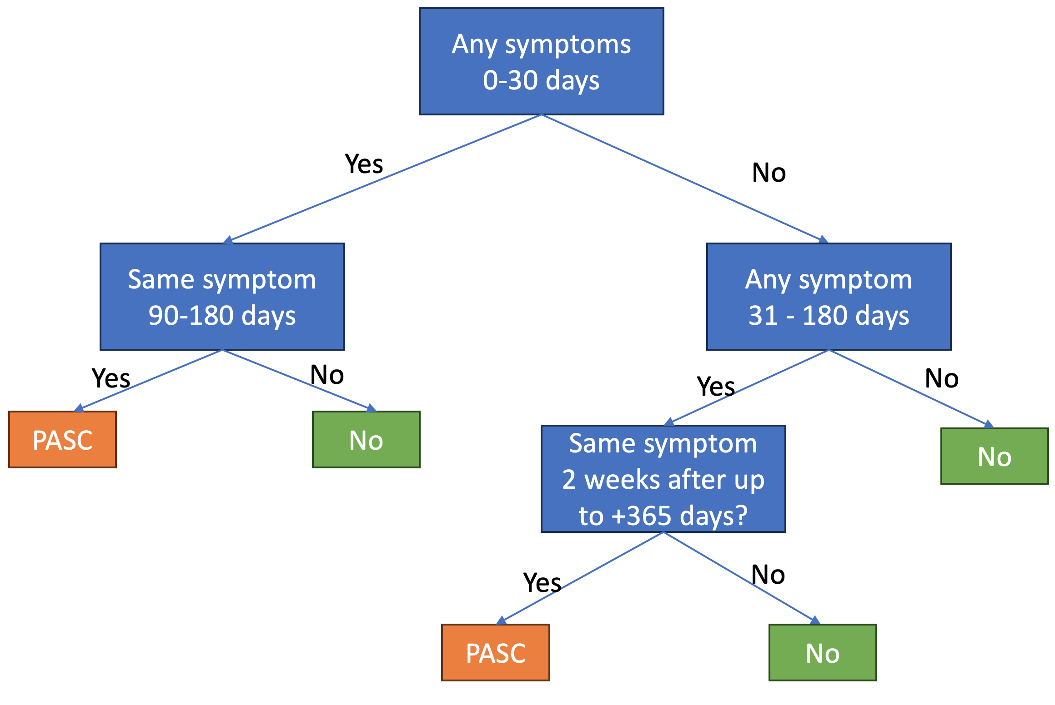
COVID infection may be asymptomatic, mild, or severe | COVID infection must be documented within the EHR regardless of severity
Diagnosed on clinical grounds | N/A
Can resolve over a period of months or persist for months or years | N/A
Can cause functional impairment | N/A

